Sheet1
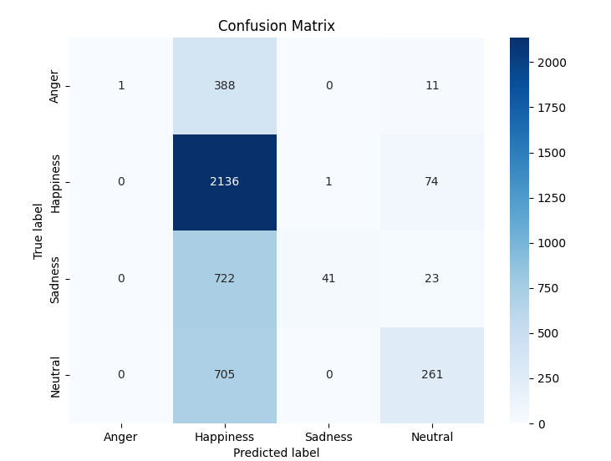
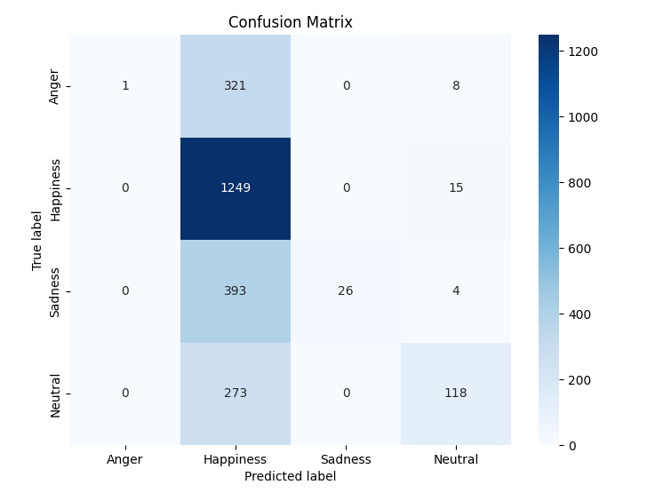
Text Output
Majority Label |  | Accuracy: 35.83% | Single Label |  | Accuracy: 39.67% |  | Ambiguous Metrics
Unweighted Precision, Recall, and F1 Scores |  |  | Unweighted Precision, Recall, and F1 Scores |  |  |  | Bhattacharyya Coefficient | Kullback-Leibler Divergence | R-Squared
0.0998 | 0.085 | 0.0601 | 0.1281 | 0.1097 | 0.0818 |  | 0.6024 | 2.0537 | 0.3426
Weighted Precision, Recall, and F1 Scores |  |  | Weighted Precision, Recall, and F1 Scores
0.7289 | 0.3583 | 0.2965 | 0.7694 | 0.3967 | 0.3519
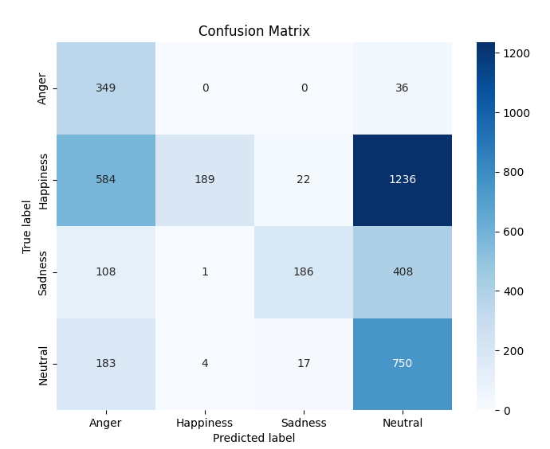
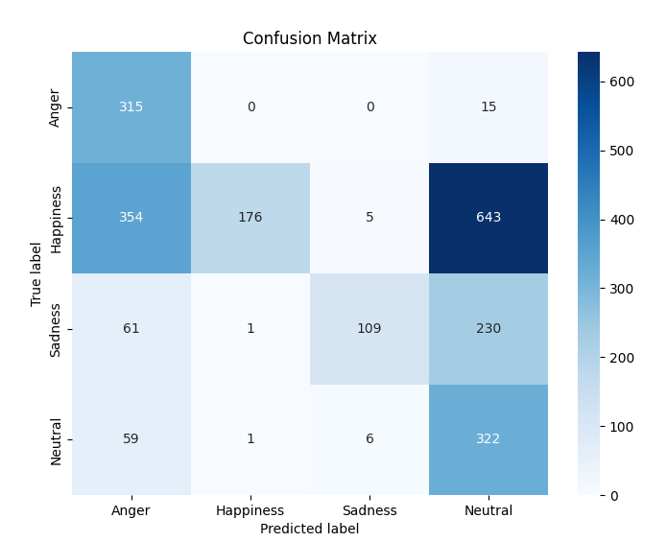

Logit - Ambiguous Emotion Prompt
Majority Label |  | Accuracy: 19.10% |  | Single |  | Accuracy: 19.10% |  | Ambiguous Metrics (Emotion Tokens Only)
Unweighted Precision, Recall, and F1 Scores |  |  |  | Unweighted Precision, Recall, and F1 Scores |  |  |  | Bhattacharyya Coefficient | Kullback-Leibler Divergence | R-Squared
0.197 | 0.2115 | 0.0975 |  | 0.197 | 0.2115 | 0.0975 |  | 0.5865 | 1.1272 | 0.358
Weighted Precision, Recall, and F1 Scores |  |  |  | Weighted Precision, Recall, and F1 Scores
0.3807 | 0.191 | 0.103 |  | 0.3807 | 0.191 | 0.103 |  | Ambiguous Metrics (Emotion+Number Tokens)
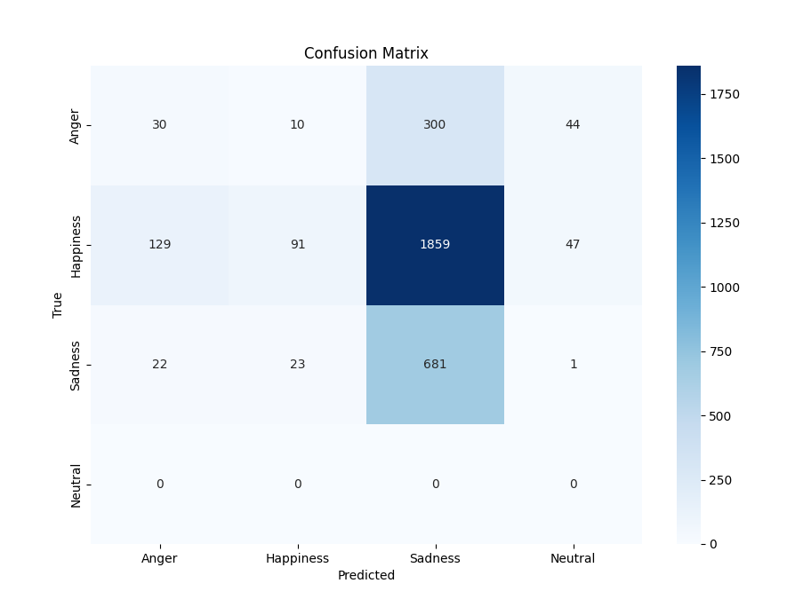
 |  |  |  |  |  |  |  | Bhattacharyya Coefficient | Kullback-Leibler Divergence | R-Squared
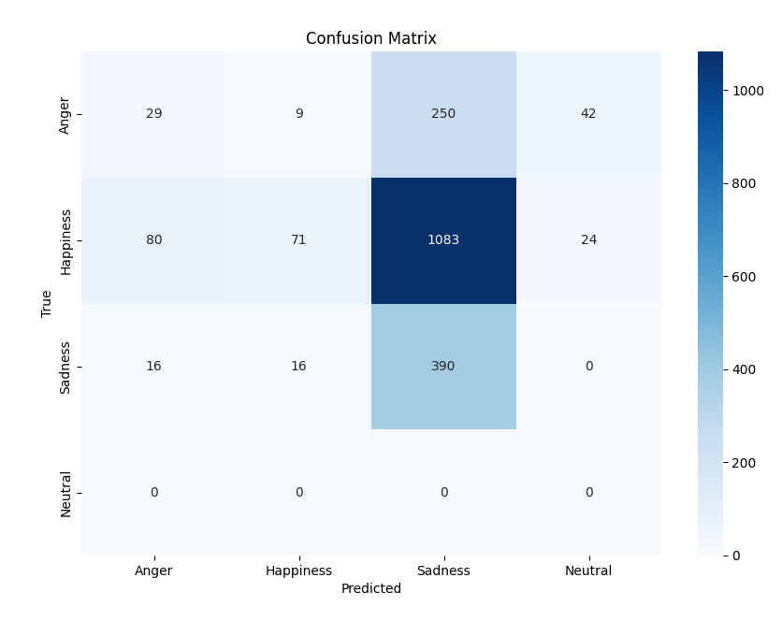
 |  |  |  |  |  |  |  | 0.6231 | 0.9913 | 0.3823

Logit - Single Emotion Prompt

Majority Label |  | Accuracy: 55.90% | Single Label |  | Accuracy: 57.89% |  | Ambiguous Metrics
Unweighted Precision, Recall, and F1 Scores |  |  | Unweighted Precision, Recall, and F1 Scores |  |  |  | Bhattacharyya Coefficient | Kullback-Leibler Divergence | R-Squared
0.806 | 0.3227 | 0.2971 | 0.8431 | 0.3386 | 0.319 |  | 0.7314 | 0.7483 | 0.5291
Weighted Precision, Recall, and F1 Scores |  |  | Weighted Precision, Recall, and F1 Scores
0.6981 | 0.559 | 0.4562 | 0.7381 | 0.5789 | 0.4673

